Power Interruption Sched
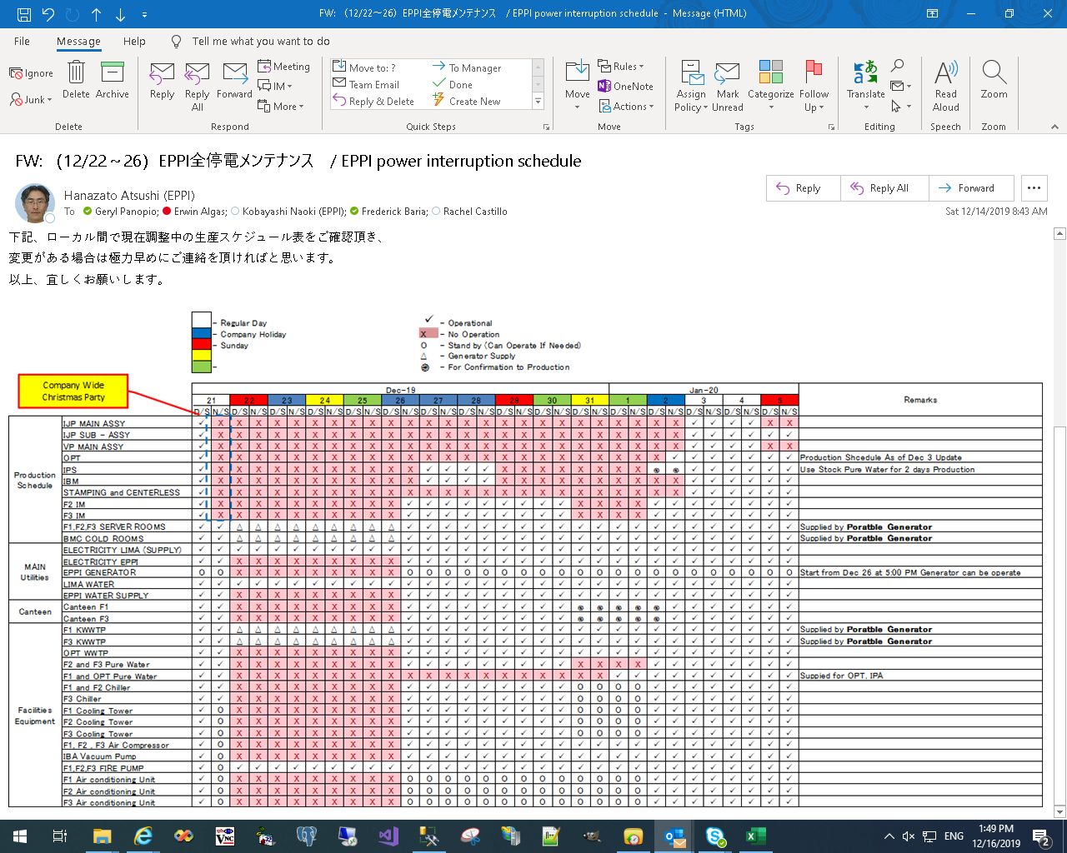

EKanban
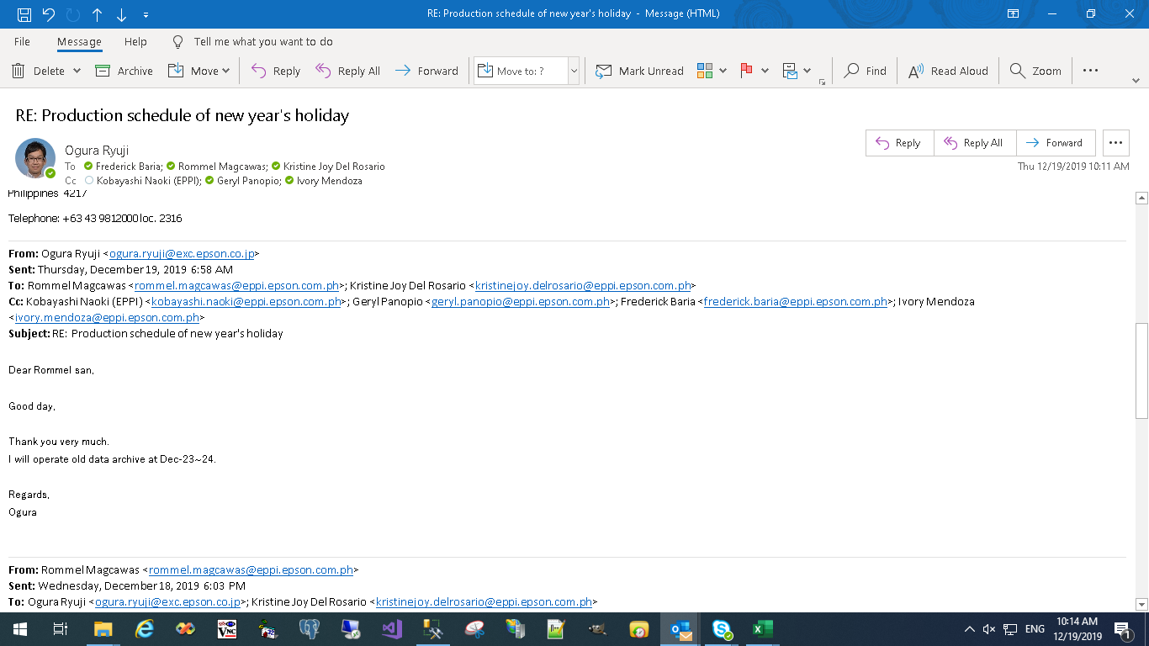

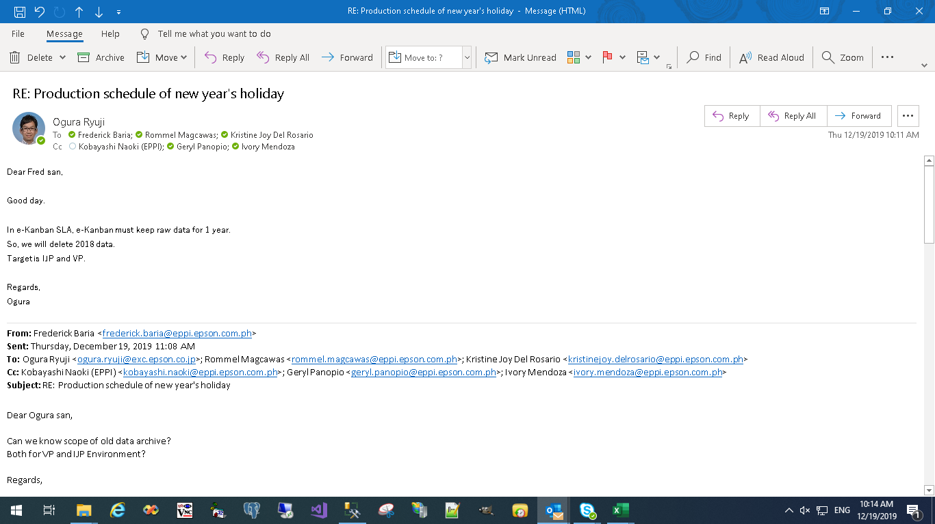

WBS
Project Name : |  | Holiday work schedule - 2019
Reference :
Delayed
On-Schedule
Finished but delayed
 |  |  |  |  |  |  | 43814 | 0 | 0 | 0 | 0 | 0 | 0 | 43821 | 43822 | 43823 | 43824 | 43825 | 43826 | 43827 | 43828 | 43829 | 43830 | 43831 | 43832 | 0 | 0 | 43835 | 0 | 0 | 0 | 0 | 0 | 43841
 |  |  |  |  |  |  | 2019-12-15 |  |  |  |  |  |  | 2019-12-22 |  |  |  |  |  |  | 2019-12-29 |  |  |  |  |  |  | 2020-01-05
No. | Tasks | PIC | Indicator | From | To | 0% |  |  |  |  |  |  | 1 |  | 1 | 1 | 1 | 1 | 1 |  |  | 1 | 1 | 1 | 1 |  | 1
 |  |  |  |  |  |  | 2019-12-15 | 2019-12-16 | 2019-12-17 | 2019-12-18 | 2019-12-19 | 2019-12-20 | 2019-12-21 | 2019-12-22 | 2019-12-23 | 2019-12-24 | 2019-12-25 | 2019-12-26 | 2019-12-27 | 2019-12-28 | 2019-12-29 | 2019-12-30 | 2019-12-31 | 2020-01-01 | 2020-01-02 | 2020-01-03 | 2020-01-04 | 2020-01-05 | 2020-01-06 | 2020-01-07 | 2020-01-08 | 2020-01-09 | 2020-01-10 | 2020-01-11
1 | Biometrics - Christmas Party |  |  |  |  | 0%
1.1 | Change to Biometrics time to 4PM @ 1400 | Mec | 1 | 12/21/2019 | 12/21/2019
 |  | Von |  |  |  | 0%
1.2 | Change to Biometrics back to 6PM @ 1800 | Mec | 1 | 12/21/2019 | 12/21/2019
 |  | Von |  |  |  | 0%
2 | Production Schedule |  |  |  |  | 0%
2.1 | Printer Division Operation |  | 1
 |  |  |  |  |  | 0%
3 | HRC - W2 Processing (Tax) |  |  |  |  | 0%
3.1 | Restore Live Env Backup to Test Env | Aldrin | 1 | 12/27/2019 | 12/27/2019
 |  |  |  |  |  | 0%
3.2 | W2 Processing (Day 1) | Eye | 1 | 12/27/2019 | 12/27/2019
 |  | Aldrin |  |  |  | 0%
3.3 | W2 Processing (Day 2) | Eye | 1 | 12/28/2019 | 12/28/2019
 | (if cannot finish on Day 1) | Aldrin |  |  |  | 0%
3.4 | Tax Levelling and Checking | Eye | 1 | 12/30/2019 | 12/30/2019
 |  | Niña |  |  |  | 0%
4 | Canteen Activity |  |  |  |  | 0%
4.1 | Configure IP Address of 3 PCs | Aldrin | 1 | 12/30/2019 | 12/30/2019
 |  |  |  |  |  | 0%
4.2 | Register in ADMIN System - Canteen PC Master | Aldrin | 1 | 12/30/2019 | 12/30/2019
 |  |  |  |  |  | 0%
4.3 | Testing of Canteen Station PCs | Aldrin | 1 | 12/30/2019 | 12/30/2019
 |  |  |  |  |  | 0%

HRC-TAX
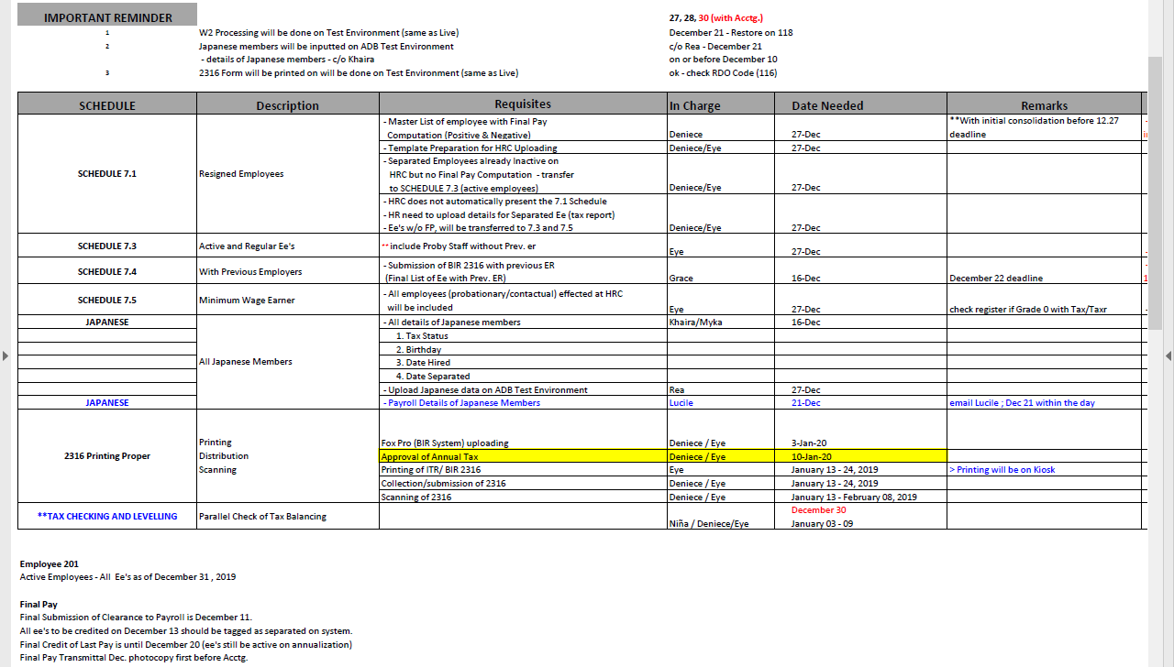

Canteen
